eet1_QEF1622_OG29_T3-750-0-3_SC
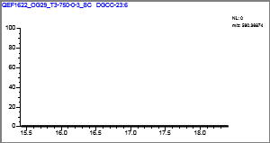
Confirmation Report
Lab Name: | OGL
Instrument: | QEFocus |  |  |  | Method: | Known_IPLs_Marine_11_14_2018_Known_IPLs_Marine_11_14_2018
User: | Thermo |  |  |  |  | Known_IPLs_Marine_11_14_2018
Batch: | Known_IPLs_Marine_11_14_2018 |  |  |  | Cali File: | Known_IPLs_Marine_11_14_2018.calx

Vial Pos | Sample ID |  | File Name | Level | Sample Name |  | File Date | Comment
RB8 | 1 |  | QEF1622_OG29_T3-750-0-3_SC | N/A |  |  | 7/31/2018

MGDG-36:5 |  |  |  |  |  | Quan Peak: | m/z777.55112 mz
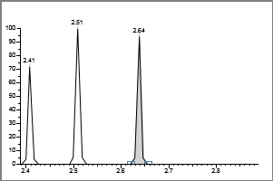

 | Injected |  | Sample | Flags
Conc: | N/A |  | N/A

Retention Time: |  | 2.64
Area: |  | 3325
Height: |  | 5498

 | **MANUAL SETTINGS**

Calibration Curve
 |  |  |  |  |  | Qual Ion 1: | N/A mz

 |  |  |  |  |  | Qual Ion 2: | N/A mz
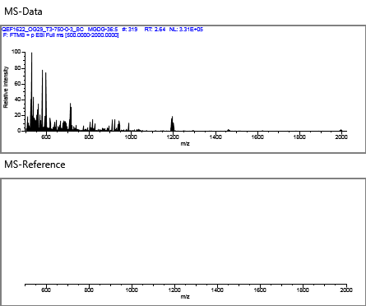

 |  |  |  |  |  | Overlay
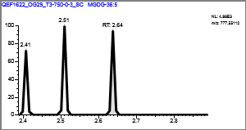

MGDG-19:2 |  |  |  |  |  | Quan Peak: | m/z549.36332 mz
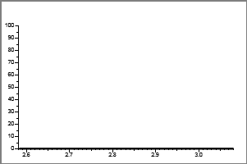

 | Injected |  | Sample | Flags
Conc: | N/A |  | N/A

Retention Time: |  | 0.00
Area: |  | 359
Height: |  | 593

 | **MANUAL SETTINGS**

Calibration Curve
 |  |  |  |  |  | Qual Ion 1: | N/A mz

 |  |  |  |  |  | Qual Ion 2: | N/A mz
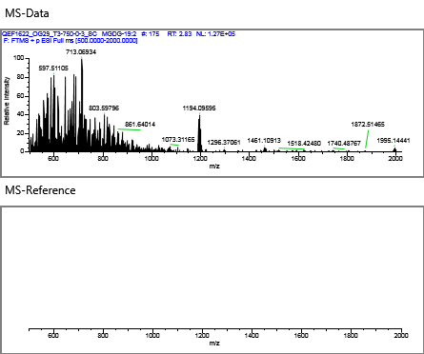

 |  |  |  |  |  | Overlay
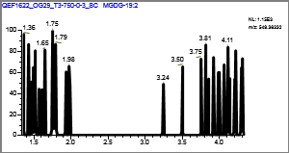

MGDG |  |  |  |  |  | Quan Peak: | m/z775.53547 mz
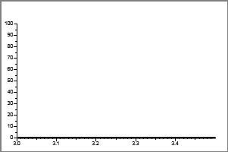

 | Injected |  | Sample | Flags
Conc: | N/A |  | N/A

Retention Time: |  | 0.00
Area: |  | 1035
Height: |  | 1712

 | **MANUAL SETTINGS**

Calibration Curve
 |  |  |  |  |  | Qual Ion 1: | N/A mz

 |  |  |  |  |  | Qual Ion 2: | N/A mz
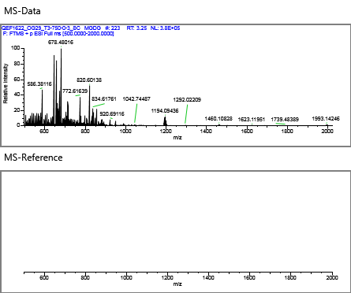

 |  |  |  |  |  | Overlay
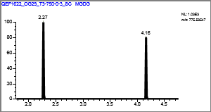

MGDG-34:1 |  |  |  |  |  | Quan Peak: | m/z772.59332 mz
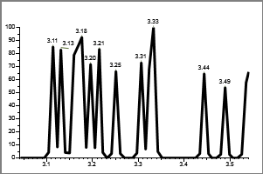

 | Injected |  | Sample | Flags
Conc: | N/A |  | N/A

Retention Time: |  | 0.00
Area: |  | 2885
Height: |  | 1331

 | **MANUAL SETTINGS**

Calibration Curve
 |  |  |  |  |  | Qual Ion 1: | N/A mz

 |  |  |  |  |  | Qual Ion 2: | N/A mz
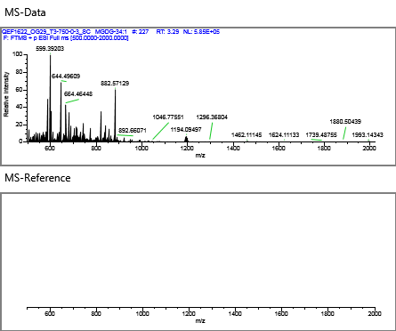

 |  |  |  |  |  | Overlay
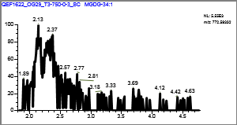

Gly-GDGT-0 |  |  |  |  |  | Quan Peak: | m/z1463.36767 mz
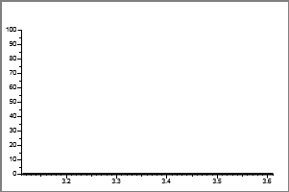

 | Injected |  | Sample | Flags
Conc: | N/A |  | N/A

Retention Time: |  | 0.00
Area: |  | 2591
Height: |  | 1547

 | **MANUAL SETTINGS**

Calibration Curve
 |  |  |  |  |  | Qual Ion 1: | N/A mz

 |  |  |  |  |  | Qual Ion 2: | N/A mz
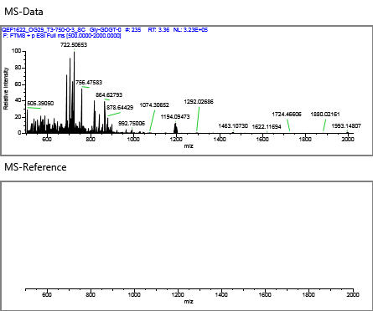

 |  |  |  |  |  | Overlay
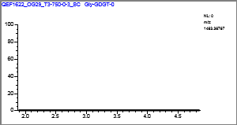

MGDG-30:1 |  |  |  |  |  | Quan Peak: | m/z718.54637 mz
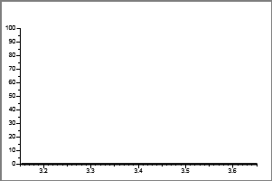

 | Injected |  | Sample | Flags
Conc: | N/A |  | N/A

Retention Time: |  | 0.00
Area: |  | 1235
Height: |  | 1256

 | **MANUAL SETTINGS**

Calibration Curve
 |  |  |  |  |  | Qual Ion 1: | N/A mz

 |  |  |  |  |  | Qual Ion 2: | N/A mz
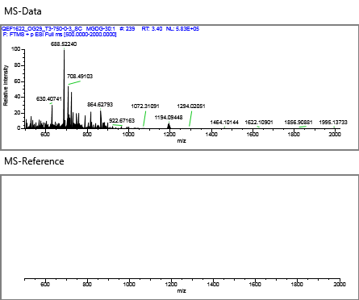

 |  |  |  |  |  | Overlay
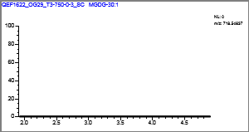

MGDG-28:0 |  |  |  |  |  | Quan Peak: | m/z692.53072 mz
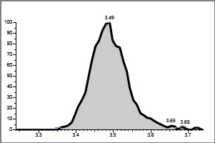

 | Injected |  | Sample | Flags
Conc: | N/A |  | N/A

Retention Time: |  | 3.49
Area: |  | 362014
Height: |  | 59345

 | **MANUAL SETTINGS**

Calibration Curve
 |  |  |  |  |  | Qual Ion 1: | N/A mz

 |  |  |  |  |  | Qual Ion 2: | N/A mz
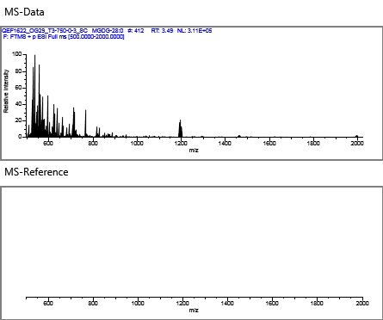

 |  |  |  |  |  | Overlay
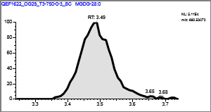

MGDG-34:5 |  |  |  |  |  | Quan Peak: | m/z747.50417 mz
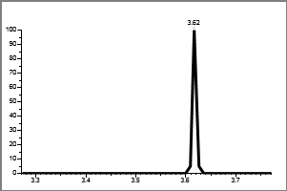

 | Injected |  | Sample | Flags
Conc: | N/A |  | N/A

Retention Time: |  | 0.00
Area: |  | 3944
Height: |  | 1299

 | **MANUAL SETTINGS**

Calibration Curve
 |  |  |  |  |  | Qual Ion 1: | N/A mz

 |  |  |  |  |  | Qual Ion 2: | N/A mz
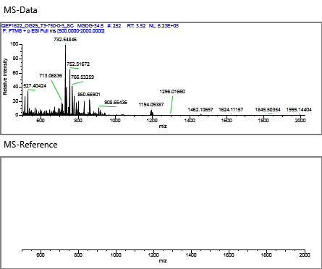

 |  |  |  |  |  | Overlay
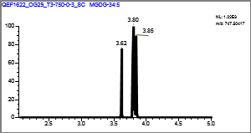

MGDG-36:4 |  |  |  |  |  | Quan Peak: | m/z779.56677 mz


 | Injected |  | Sample | Flags
Conc: | N/A |  | N/A

Retention Time: |  | 0.00
Area: |  | 3494
Height: |  | 1685

 | **MANUAL SETTINGS**

Calibration Curve
 |  |  |  |  |  | Qual Ion 1: | N/A mz

 |  |  |  |  |  | Qual Ion 2: | N/A mz


 |  |  |  |  |  | Overlay
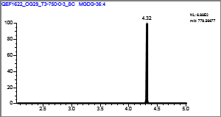

MGDG-32:1 |  |  |  |  |  | Quan Peak: | m/z749.51742 mz
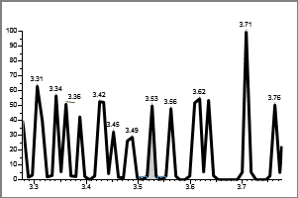

 | Injected |  | Sample | Flags
Conc: | N/A |  | N/A

Retention Time: |  | 3.53
Area: |  | 1374
Height: |  | 2273

 | **MANUAL SETTINGS**

Calibration Curve
 |  |  |  |  |  | Qual Ion 1: | N/A mz

 |  |  |  |  |  | Qual Ion 2: | N/A mz
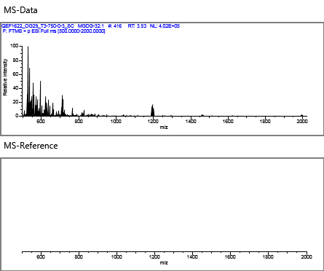

 |  |  |  |  |  | Overlay
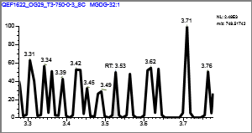

MGDG-36:2 |  |  |  |  |  | Quan Peak: | m/z800.62462 mz
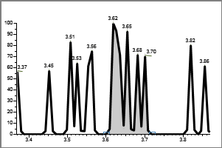

 | Injected |  | Sample | Flags
Conc: | N/A |  | N/A

Retention Time: |  | 3.62
Area: |  | 5367
Height: |  | 2532

 | **MANUAL SETTINGS**

Calibration Curve
 |  |  |  |  |  | Qual Ion 1: | N/A mz

 |  |  |  |  |  | Qual Ion 2: | N/A mz
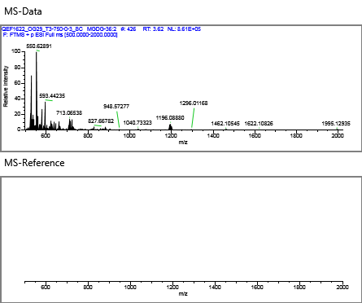

 |  |  |  |  |  | Overlay
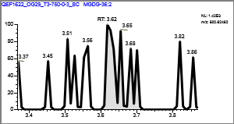

MGDG-31:0 |  |  |  |  |  | Quan Peak: | m/z717.55112 mz
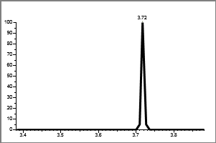

 | Injected |  | Sample | Flags
Conc: | N/A |  | N/A

Retention Time: |  | 0.00
Area: |  | 2260
Height: |  | 1681

 | **MANUAL SETTINGS**

Calibration Curve
 |  |  |  |  |  | Qual Ion 1: | N/A mz

 |  |  |  |  |  | Qual Ion 2: | N/A mz
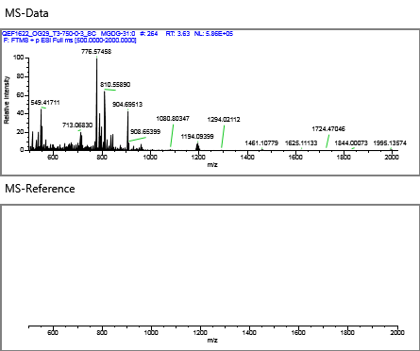

 |  |  |  |  |  | Overlay
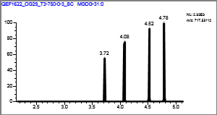

MGDG-32:0 |  |  |  |  |  | Quan Peak: | m/z729.55112 mz
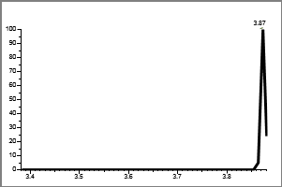

 | Injected |  | Sample | Flags
Conc: | N/A |  | N/A

Retention Time: |  | 0.00
Area: |  | 462
Height: |  | 764

 | **MANUAL SETTINGS**

Calibration Curve
 |  |  |  |  |  | Qual Ion 1: | N/A mz

 |  |  |  |  |  | Qual Ion 2: | N/A mz


 |  |  |  |  |  | Overlay
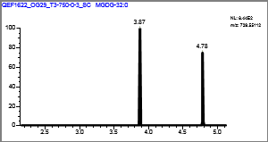

MGDG-31:1 |  |  |  |  |  | Quan Peak: | m/z715.53547 mz


 | Injected |  | Sample | Flags
Conc: | N/A |  | N/A

Retention Time: |  | 0.00
Area: |  | 897
Height: |  | 1483

 | **MANUAL SETTINGS**

Calibration Curve
 |  |  |  |  |  | Qual Ion 1: | N/A mz

 |  |  |  |  |  | Qual Ion 2: | N/A mz
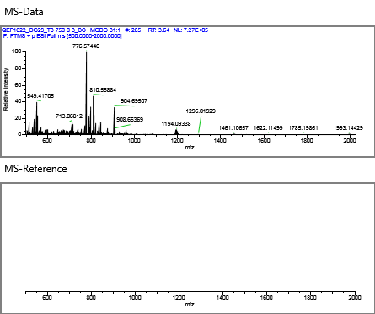

 |  |  |  |  |  | Overlay
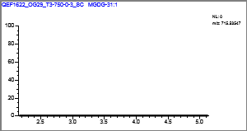

MGDG-30:2 |  |  |  |  |  | Quan Peak: | m/z699.50417 mz
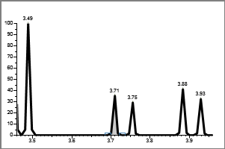

 | Injected |  | Sample | Flags
Conc: | N/A |  | N/A

Retention Time: |  | 3.71
Area: |  | 551
Height: |  | 911

 | **MANUAL SETTINGS**

Calibration Curve
 |  |  |  |  |  | Qual Ion 1: | N/A mz

 |  |  |  |  |  | Qual Ion 2: | N/A mz
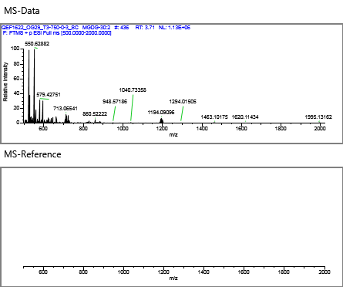

 |  |  |  |  |  | Overlay
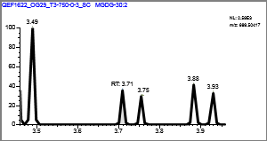

MGDG-30:0 |  |  |  |  |  | Quan Peak: | m/z720.56202 mz
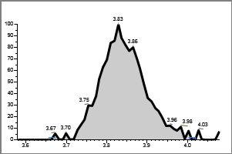

 | Injected |  | Sample | Flags
Conc: | N/A |  | N/A

Retention Time: |  | 3.83
Area: |  | 129223
Height: |  | 19311

 | **MANUAL SETTINGS**

Calibration Curve
 |  |  |  |  |  | Qual Ion 1: | N/A mz

 |  |  |  |  |  | Qual Ion 2: | N/A mz


 |  |  |  |  |  | Overlay
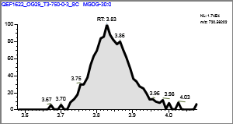

Gly-Cer-22:2 |  |  |  |  |  | Quan Peak: | m/z586.43134 mz
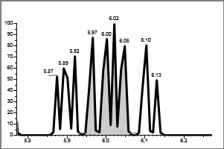

 | Injected |  | Sample | Flags
Conc: | N/A |  | N/A

Retention Time: |  | 6.02
Area: |  | 4142
Height: |  | 1399

 | **MANUAL SETTINGS**

Calibration Curve
 |  |  |  |  |  | Qual Ion 1: | N/A mz

 |  |  |  |  |  | Qual Ion 2: | N/A mz
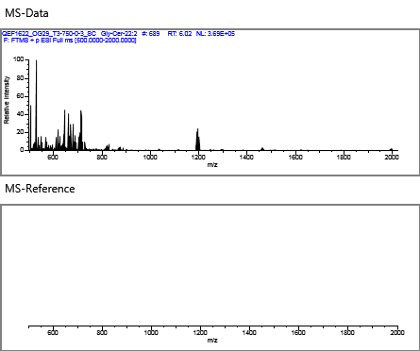

 |  |  |  |  |  | Overlay
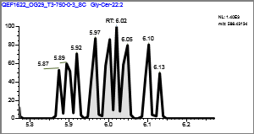

DGTS-40:1 |  |  |  |  |  | Quan Peak: | m/z822.71813 mz


 | Injected |  | Sample | Flags
Conc: | N/A |  | N/A

Retention Time: |  | 0.00
Area: |  | 1642
Height: |  | 2780

 | **MANUAL SETTINGS**

Calibration Curve
 |  |  |  |  |  | Qual Ion 1: | N/A mz

 |  |  |  |  |  | Qual Ion 2: | N/A mz
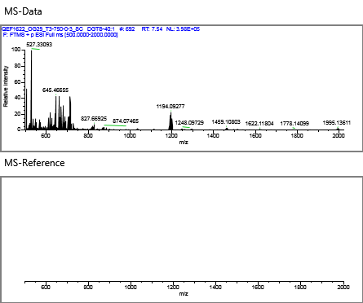

 |  |  |  |  |  | Overlay
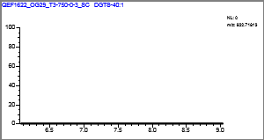

Gly-Cer-21:6 |  |  |  |  |  | Quan Peak: | m/z564.35309 mz
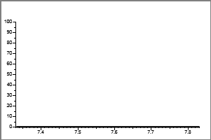

 | Injected |  | Sample | Flags
Conc: | N/A |  | N/A

Retention Time: |  | 0.00
Area: |  | 905
Height: |  | 1528

 | **MANUAL SETTINGS**

Calibration Curve
 |  |  |  |  |  | Qual Ion 1: | N/A mz

 |  |  |  |  |  | Qual Ion 2: | N/A mz


 |  |  |  |  |  | Overlay


1-GLC-CER |  |  |  |  |  | Quan Peak: | m/z728.60349 mz


 | Injected |  | Sample | Flags
Conc: | N/A |  | N/A

Retention Time: |  | 7.60
Area: |  | 2188
Height: |  | 1585

 | **MANUAL SETTINGS**

Calibration Curve
 |  |  |  |  |  | Qual Ion 1: | N/A mz

 |  |  |  |  |  | Qual Ion 2: | N/A mz


 |  |  |  |  |  | Overlay


DGTS-34:2 |  |  |  |  |  | Quan Peak: | m/z736.60858 mz


 | Injected |  | Sample | Flags
Conc: | N/A |  | N/A

Retention Time: |  | 7.74
Area: |  | 9997
Height: |  | 4433

 | **MANUAL SETTINGS**

Calibration Curve
 |  |  |  |  |  | Qual Ion 1: | N/A mz

 |  |  |  |  |  | Qual Ion 2: | N/A mz


 |  |  |  |  |  | Overlay


DGTS-36:6 |  |  |  |  |  | Quan Peak: | m/z754.56163 mz


 | Injected |  | Sample | Flags
Conc: | N/A |  | N/A

Retention Time: |  | 0.00
Area: |  | 1331
Height: |  | 1390

 | **MANUAL SETTINGS**

Calibration Curve
 |  |  |  |  |  | Qual Ion 1: | N/A mz

 |  |  |  |  |  | Qual Ion 2: | N/A mz


 |  |  |  |  |  | Overlay


DGTS |  |  |  |  |  | Quan Peak: | m/z712.60858 mz


 | Injected |  | Sample | Flags
Conc: | N/A |  | N/A

Retention Time: |  | 7.76
Area: |  | 137873
Height: |  | 27862

 | **MANUAL SETTINGS**

Calibration Curve
 |  |  |  |  |  | Qual Ion 1: | N/A mz

 |  |  |  |  |  | Qual Ion 2: | N/A mz


 |  |  |  |  |  | Overlay


DGTS-30:1 |  |  |  |  |  | Quan Peak: | m/z682.56163 mz


 | Injected |  | Sample | Flags
Conc: | N/A |  | N/A

Retention Time: |  | 0.00
Area: |  | 485
Height: |  | 802

 | **MANUAL SETTINGS**

Calibration Curve
 |  |  |  |  |  | Qual Ion 1: | N/A mz

 |  |  |  |  |  | Qual Ion 2: | N/A mz


 |  |  |  |  |  | Overlay


DGTS-31:0 |  |  |  |  |  | Quan Peak: | m/z698.59293 mz


 | Injected |  | Sample | Flags
Conc: | N/A |  | N/A

Retention Time: |  | 7.79
Area: |  | 98057
Height: |  | 21870

 | **MANUAL SETTINGS**

Calibration Curve
 |  |  |  |  |  | Qual Ion 1: | N/A mz

 |  |  |  |  |  | Qual Ion 2: | N/A mz


 |  |  |  |  |  | Overlay


DGTS-29:0 |  |  |  |  |  | Quan Peak: | m/z670.56163 mz


 | Injected |  | Sample | Flags
Conc: | N/A |  | N/A

Retention Time: |  | 7.84
Area: |  | 337417
Height: |  | 84445

 | **MANUAL SETTINGS**

Calibration Curve
 |  |  |  |  |  | Qual Ion 1: | N/A mz

 |  |  |  |  |  | Qual Ion 2: | N/A mz


 |  |  |  |  |  | Overlay


DGTS-34:0 |  |  |  |  |  | Quan Peak: | m/z740.63988 mz


 | Injected |  | Sample | Flags
Conc: | N/A |  | N/A

Retention Time: |  | 7.70
Area: |  | 49365
Height: |  | 7051

 | **MANUAL SETTINGS**

Calibration Curve
 |  |  |  |  |  | Qual Ion 1: | N/A mz

 |  |  |  |  |  | Qual Ion 2: | N/A mz


 |  |  |  |  |  | Overlay


DGTS-34:1 |  |  |  |  |  | Quan Peak: | m/z738.62423 mz


 | Injected |  | Sample | Flags
Conc: | N/A |  | N/A

Retention Time: |  | 7.73
Area: |  | 8022
Height: |  | 2340

 | **MANUAL SETTINGS**

Calibration Curve
 |  |  |  |  |  | Qual Ion 1: | N/A mz

 |  |  |  |  |  | Qual Ion 2: | N/A mz


 |  |  |  |  |  | Overlay


DGTS-28:1 |  |  |  |  |  | Quan Peak: | m/z654.53033 mz


 | Injected |  | Sample | Flags
Conc: | N/A |  | N/A

Retention Time: |  | 0.00
Area: |  | 1255
Height: |  | 2075

 | **MANUAL SETTINGS**

Calibration Curve
 |  |  |  |  |  | Qual Ion 1: | N/A mz

 |  |  |  |  |  | Qual Ion 2: | N/A mz


 |  |  |  |  |  | Overlay


DGTS-30:0 |  |  |  |  |  | Quan Peak: | m/z684.57728 mz


 | Injected |  | Sample | Flags
Conc: | N/A |  | N/A

Retention Time: |  | 7.82
Area: |  | 208995
Height: |  | 49465

 | **MANUAL SETTINGS**

Calibration Curve
 |  |  |  |  |  | Qual Ion 1: | N/A mz

 |  |  |  |  |  | Qual Ion 2: | N/A mz


 |  |  |  |  |  | Overlay


DGTS-34:6 |  |  |  |  |  | Quan Peak: | m/z728.54598 mz


 | Injected |  | Sample | Flags
Conc: | N/A |  | N/A

Retention Time: |  | 0.00
Area: |  | 4474
Height: |  | 5355

 | **MANUAL SETTINGS**

Calibration Curve
 |  |  |  |  |  | Qual Ion 1: | N/A mz

 |  |  |  |  |  | Qual Ion 2: | N/A mz


 |  |  |  |  |  | Overlay


DGTS-28:0 |  |  |  |  |  | Quan Peak: | m/z656.54598 mz


 | Injected |  | Sample | Flags
Conc: | N/A |  | N/A

Retention Time: |  | 7.87
Area: |  | 520496
Height: |  | 141846

 | **MANUAL SETTINGS**

Calibration Curve
 |  |  |  |  |  | Qual Ion 1: | N/A mz

 |  |  |  |  |  | Qual Ion 2: | N/A mz


 |  |  |  |  |  | Overlay


DGTS-34:8 |  |  |  |  |  | Quan Peak: | m/z712.51468 mz


 | Injected |  | Sample | Flags
Conc: | N/A |  | N/A

Retention Time: |  | 7.90
Area: |  | 609
Height: |  | 1009

 | **MANUAL SETTINGS**

Calibration Curve
 |  |  |  |  |  | Qual Ion 1: | N/A mz

 |  |  |  |  |  | Qual Ion 2: | N/A mz


 |  |  |  |  |  | Overlay


DGTS-27:0 |  |  |  |  |  | Quan Peak: | m/z642.53033 mz


 | Injected |  | Sample | Flags
Conc: | N/A |  | N/A

Retention Time: |  | 7.91
Area: |  | 126139
Height: |  | 37656

 | **MANUAL SETTINGS**

Calibration Curve
 |  |  |  |  |  | Qual Ion 1: | N/A mz

 |  |  |  |  |  | Qual Ion 2: | N/A mz


 |  |  |  |  |  | Overlay


DGTS-26:0 |  |  |  |  |  | Quan Peak: | m/z628.51468 mz


 | Injected |  | Sample | Flags
Conc: | N/A |  | N/A

Retention Time: |  | 7.94
Area: |  | 105672
Height: |  | 36177

 | **MANUAL SETTINGS**

Calibration Curve
 |  |  |  |  |  | Qual Ion 1: | N/A mz

 |  |  |  |  |  | Qual Ion 2: | N/A mz


 |  |  |  |  |  | Overlay


DGTS-29:1 |  |  |  |  |  | Quan Peak: | m/z668.54598 mz


 | Injected |  | Sample | Flags
Conc: | N/A |  | N/A

Retention Time: |  | 0.00
Area: |  | 922
Height: |  | 1524

 | **MANUAL SETTINGS**

Calibration Curve
 |  |  |  |  |  | Qual Ion 1: | N/A mz

 |  |  |  |  |  | Qual Ion 2: | N/A mz


 |  |  |  |  |  | Overlay


DGTS-37:6 |  |  |  |  |  | Quan Peak: | m/z770.59293 mz


 | Injected |  | Sample | Flags
Conc: | N/A |  | N/A

Retention Time: |  | 0.00
Area: |  | 744
Height: |  | 1230

 | **MANUAL SETTINGS**

Calibration Curve
 |  |  |  |  |  | Qual Ion 1: | N/A mz

 |  |  |  |  |  | Qual Ion 2: | N/A mz


 |  |  |  |  |  | Overlay


PG-DAG-26:0 |  |  |  |  |  | Quan Peak: | m/z639.42316 mz


 | Injected |  | Sample | Flags
Conc: | N/A |  | N/A

Retention Time: |  | 0.00
Area: |  | 6588
Height: |  | 4436

 | **MANUAL SETTINGS**

Calibration Curve
 |  |  |  |  |  | Qual Ion 1: | N/A mz

 |  |  |  |  |  | Qual Ion 2: | N/A mz


 |  |  |  |  |  | Overlay


DGTS-33:0 |  |  |  |  |  | Quan Peak: | m/z714.62423 mz


 | Injected |  | Sample | Flags
Conc: | N/A |  | N/A

Retention Time: |  | 0.00
Area: |  | 499
Height: |  | 825

 | **MANUAL SETTINGS**

Calibration Curve
 |  |  |  |  |  | Qual Ion 1: | N/A mz

 |  |  |  |  |  | Qual Ion 2: | N/A mz


 |  |  |  |  |  | Overlay


C16PDME |  |  |  |  |  | Quan Peak: | m/z720.55378 mz


 | Injected |  | Sample | Flags
Conc: | N/A |  | N/A

Retention Time: |  | 8.39
Area: |  | 27113
Height: |  | 5378

 | **MANUAL SETTINGS**

Calibration Curve
 |  |  |  |  |  | Qual Ion 1: | N/A mz

 |  |  |  |  |  | Qual Ion 2: | N/A mz


 |  |  |  |  |  | Overlay


PDME-DAG-30:0 |  |  |  |  |  | Quan Peak: | m/z692.52248 mz


 | Injected |  | Sample | Flags
Conc: | N/A |  | N/A

Retention Time: |  | 8.48
Area: |  | 66468
Height: |  | 11972

 | **MANUAL SETTINGS**

Calibration Curve
 |  |  |  |  |  | Qual Ion 1: | N/A mz

 |  |  |  |  |  | Qual Ion 2: | N/A mz


 |  |  |  |  |  | Overlay


DGTA-34:5 |  |  |  |  |  | Quan Peak: | m/z730.56163 mz


 | Injected |  | Sample | Flags
Conc: | N/A |  | N/A

Retention Time: |  | 9.54
Area: |  | 1488
Height: |  | 1527

 | **MANUAL SETTINGS**

Calibration Curve
 |  |  |  |  |  | Qual Ion 1: | N/A mz

 |  |  |  |  |  | Qual Ion 2: | N/A mz


 |  |  |  |  |  | Overlay


DGTA-38:0 |  |  |  |  |  | Quan Peak: | m/z796.70248 mz


 | Injected |  | Sample | Flags
Conc: | N/A |  | N/A

Retention Time: |  | 9.54
Area: |  | 4844
Height: |  | 1457

 | **MANUAL SETTINGS**

Calibration Curve
 |  |  |  |  |  | Qual Ion 1: | N/A mz

 |  |  |  |  |  | Qual Ion 2: | N/A mz


 |  |  |  |  |  | Overlay


PG-DAG-34:1 |  |  |  |  |  | Quan Peak: | m/z745.50141 mz


 | Injected |  | Sample | Flags
Conc: | N/A |  | N/A

Retention Time: |  | 0.00
Area: |  | 443
Height: |  | 732

 | **MANUAL SETTINGS**

Calibration Curve
 |  |  |  |  |  | Qual Ion 1: | N/A mz

 |  |  |  |  |  | Qual Ion 2: | N/A mz


 |  |  |  |  |  | Overlay


DGTA-21:0 |  |  |  |  |  | Quan Peak: | m/z558.43643 mz


 | Injected |  | Sample | Flags
Conc: | N/A |  | N/A

Retention Time: |  | 0.00
Area: |  | 450
Height: |  | 768

 | **MANUAL SETTINGS**

Calibration Curve
 |  |  |  |  |  | Qual Ion 1: | N/A mz

 |  |  |  |  |  | Qual Ion 2: | N/A mz


 |  |  |  |  |  | Overlay


PME-DAG-34:2 |  |  |  |  |  | Quan Peak: | m/z730.53813 mz


 | Injected |  | Sample | Flags
Conc: | N/A |  | N/A

Retention Time: |  | 9.62
Area: |  | 17160
Height: |  | 4713

 | **MANUAL SETTINGS**

Calibration Curve
 |  |  |  |  |  | Qual Ion 1: | N/A mz

 |  |  |  |  |  | Qual Ion 2: | N/A mz


 |  |  |  |  |  | Overlay


C16PA |  |  |  |  |  | Quan Peak: | m/z688.48878 mz


 | Injected |  | Sample | Flags
Conc: | N/A |  | N/A

Retention Time: |  | 9.57
Area: |  | 621
Height: |  | 1045

 | **MANUAL SETTINGS**

Calibration Curve
 |  |  |  |  |  | Qual Ion 1: | N/A mz

 |  |  |  |  |  | Qual Ion 2: | N/A mz


 |  |  |  |  |  | Overlay


PME-DAG-33:1 |  |  |  |  |  | Quan Peak: | m/z718.53813 mz


 | Injected |  | Sample | Flags
Conc: | N/A |  | N/A

Retention Time: |  | 0.00
Area: |  | 439
Height: |  | 726

 | **MANUAL SETTINGS**

Calibration Curve
 |  |  |  |  |  | Qual Ion 1: | N/A mz

 |  |  |  |  |  | Qual Ion 2: | N/A mz


 |  |  |  |  |  | Overlay


C16PME |  |  |  |  |  | Quan Peak: | m/z706.53813 mz


 | Injected |  | Sample | Flags
Conc: | N/A |  | N/A

Retention Time: |  | 9.66
Area: |  | 130393
Height: |  | 12286

 | **MANUAL SETTINGS**

Calibration Curve
 |  |  |  |  |  | Qual Ion 1: | N/A mz

 |  |  |  |  |  | Qual Ion 2: | N/A mz


 |  |  |  |  |  | Overlay


DGTS-19:0 |  |  |  |  |  | Quan Peak: | m/z530.40513 mz


 | Injected |  | Sample | Flags
Conc: | N/A |  | N/A

Retention Time: |  | 0.00
Area: |  | 950
Height: |  | 920

 | **MANUAL SETTINGS**

Calibration Curve
 |  |  |  |  |  | Qual Ion 1: | N/A mz

 |  |  |  |  |  | Qual Ion 2: | N/A mz


 |  |  |  |  |  | Overlay


PME-DAG-30:0 |  |  |  |  |  | Quan Peak: | m/z678.50683 mz


 | Injected |  | Sample | Flags
Conc: | N/A |  | N/A

Retention Time: |  | 9.77
Area: |  | 25525
Height: |  | 4481

 | **MANUAL SETTINGS**

Calibration Curve
 |  |  |  |  |  | Qual Ion 1: | N/A mz

 |  |  |  |  |  | Qual Ion 2: | N/A mz


 |  |  |  |  |  | Overlay


DGTA-30:1 |  |  |  |  |  | Quan Peak: | m/z682.56163 mz


 | Injected |  | Sample | Flags
Conc: | N/A |  | N/A

Retention Time: |  | 9.71
Area: |  | 7089
Height: |  | 3673

 | **MANUAL SETTINGS**

Calibration Curve
 |  |  |  |  |  | Qual Ion 1: | N/A mz

 |  |  |  |  |  | Qual Ion 2: | N/A mz


 |  |  |  |  |  | Overlay


PG-DAG-36:1 |  |  |  |  |  | Quan Peak: | m/z792.57491 mz

 | Injected |  | Sample | Flags
Conc: | N/A |  | N/A

Retention Time: |  | 9.88
Area: |  | 1239
Height: |  | 1068

 | **MANUAL SETTINGS**

Calibration Curve
 |  |  |  |  |  | Qual Ion 1: | N/A mz

 |  |  |  |  |  | Qual Ion 2: | N/A mz


 |  |  |  |  |  | Overlay


DGTA-29:0 |  |  |  |  |  | Quan Peak: | m/z670.56163 mz


 | Injected |  | Sample | Flags
Conc: | N/A |  | N/A

Retention Time: |  | 9.84
Area: |  | 78856
Height: |  | 13478

 | **MANUAL SETTINGS**

Calibration Curve
 |  |  |  |  |  | Qual Ion 1: | N/A mz

 |  |  |  |  |  | Qual Ion 2: | N/A mz


 |  |  |  |  |  | Overlay


PG-DAG-36:2 |  |  |  |  |  | Quan Peak: | m/z792.57491 mz


 | Injected |  | Sample | Flags
Conc: | N/A |  | N/A

Retention Time: |  | 9.88
Area: |  | 1239
Height: |  | 1068

 | **MANUAL SETTINGS**

Calibration Curve
 |  |  |  |  |  | Qual Ion 1: | N/A mz

 |  |  |  |  |  | Qual Ion 2: | N/A mz


 |  |  |  |  |  | Overlay


PME-DAG-29:4 |  |  |  |  |  | Quan Peak: | m/z656.42858 mz


 | Injected |  | Sample | Flags
Conc: | N/A |  | N/A

Retention Time: |  | 0.00
Area: |  | 772
Height: |  | 1277

 | **MANUAL SETTINGS**

Calibration Curve
 |  |  |  |  |  | Qual Ion 1: | N/A mz

 |  |  |  |  |  | Qual Ion 2: | N/A mz


 |  |  |  |  |  | Overlay


DGTA-28:0 |  |  |  |  |  | Quan Peak: | m/z656.54598 mz


 | Injected |  | Sample | Flags
Conc: | N/A |  | N/A

Retention Time: |  | 9.87
Area: |  | 94596
Height: |  | 18496

 | **MANUAL SETTINGS**

Calibration Curve
 |  |  |  |  |  | Qual Ion 1: | N/A mz

 |  |  |  |  |  | Qual Ion 2: | N/A mz


 |  |  |  |  |  | Overlay


PG-DAG-34:2 |  |  |  |  |  | Quan Peak: | m/z764.54361 mz


 | Injected |  | Sample | Flags
Conc: | N/A |  | N/A

Retention Time: |  | 9.94
Area: |  | 55803
Height: |  | 13002

 | **MANUAL SETTINGS**

Calibration Curve
 |  |  |  |  |  | Qual Ion 1: | N/A mz

 |  |  |  |  |  | Qual Ion 2: | N/A mz


 |  |  |  |  |  | Overlay


PG-DAG-34:3 |  |  |  |  |  | Quan Peak: | m/z762.52796 mz


 | Injected |  | Sample | Flags
Conc: | N/A |  | N/A

Retention Time: |  | 0.00
Area: |  | 7281
Height: |  | 5961

 | **MANUAL SETTINGS**

Calibration Curve
 |  |  |  |  |  | Qual Ion 1: | N/A mz

 |  |  |  |  |  | Qual Ion 2: | N/A mz


 |  |  |  |  |  | Overlay


C16-PG |  |  |  |  |  | Quan Peak: | m/z745.49901 mz


 | Injected |  | Sample | Flags
Conc: | N/A |  | N/A

Retention Time: |  | 10.02
Area: |  | 30131
Height: |  | 8145

 | **MANUAL SETTINGS**

Calibration Curve
 |  |  |  |  |  | Qual Ion 1: | N/A mz

 |  |  |  |  |  | Qual Ion 2: | N/A mz


 |  |  |  |  |  | Overlay


PG-DAG-32:1 |  |  |  |  |  | Quan Peak: | m/z738.52796 mz


 | Injected |  | Sample | Flags
Conc: | N/A |  | N/A

Retention Time: |  | 10.07
Area: |  | 5335
Height: |  | 2003

 | **MANUAL SETTINGS**

Calibration Curve
 |  |  |  |  |  | Qual Ion 1: | N/A mz

 |  |  |  |  |  | Qual Ion 2: | N/A mz


 |  |  |  |  |  | Overlay


PG-DEG-37:0 |  |  |  |  |  | Quan Peak: | m/z757.57418 mz


 | Injected |  | Sample | Flags
Conc: | N/A |  | N/A

Retention Time: |  | 0.00
Area: |  | 1184
Height: |  | 1112

 | **MANUAL SETTINGS**

Calibration Curve
 |  |  |  |  |  | Qual Ion 1: | N/A mz

 |  |  |  |  |  | Qual Ion 2: | N/A mz


 |  |  |  |  |  | Overlay


PG-DAG-32:0 |  |  |  |  |  | Quan Peak: | m/z740.54361 mz


 | Injected |  | Sample | Flags
Conc: | N/A |  | N/A

Retention Time: |  | 10.02
Area: |  | 107737
Height: |  | 16818

 | **MANUAL SETTINGS**

Calibration Curve
 |  |  |  |  |  | Qual Ion 1: | N/A mz

 |  |  |  |  |  | Qual Ion 2: | N/A mz


 |  |  |  |  |  | Overlay


PG-DAG-33:1 |  |  |  |  |  | Quan Peak: | m/z752.54361 mz


 | Injected |  | Sample | Flags
Conc: | N/A |  | N/A

Retention Time: |  | 9.97
Area: |  | 111887
Height: |  | 21367

 | **MANUAL SETTINGS**

Calibration Curve
 |  |  |  |  |  | Qual Ion 1: | N/A mz

 |  |  |  |  |  | Qual Ion 2: | N/A mz


 |  |  |  |  |  | Overlay


SQ-DAG |  |  |  |  |  | Quan Peak: | m/z834.53957 mz


 | Injected |  | Sample | Flags
Conc: | N/A |  | N/A

Retention Time: |  | 0.00
Area: |  | 472
Height: |  | 781

 | **MANUAL SETTINGS**

Calibration Curve
 |  |  |  |  |  | Qual Ion 1: | N/A mz

 |  |  |  |  |  | Qual Ion 2: | N/A mz


 |  |  |  |  |  | Overlay


PC-ARCHAEOL |  |  |  |  |  | Quan Peak: | m/z818.73610 mz


 | Injected |  | Sample | Flags
Conc: | N/A |  | N/A

Retention Time: |  | 10.37
Area: |  | 39471
Height: |  | 2312

 | **MANUAL SETTINGS**

Calibration Curve
 |  |  |  |  |  | Qual Ion 1: | N/A mz

 |  |  |  |  |  | Qual Ion 2: | N/A mz


 |  |  |  |  |  | Overlay


PE-AR |  |  |  |  |  | Quan Peak: | m/z776.68915 mz


 | Injected |  | Sample | Flags
Conc: | N/A |  | N/A

Retention Time: |  | 10.37
Area: |  | 767215
Height: |  | 51835

 | **MANUAL SETTINGS**

Calibration Curve
 |  |  |  |  |  | Qual Ion 1: | N/A mz

 |  |  |  |  |  | Qual Ion 2: | N/A mz


 |  |  |  |  |  | Overlay


SQDG-32:0 |  |  |  |  |  | Quan Peak: | m/z795.52867 mz


 | Injected |  | Sample | Flags
Conc: | N/A |  | N/A

Retention Time: |  | 0.00
Area: |  | 735
Height: |  | 1216

 | **MANUAL SETTINGS**

Calibration Curve
 |  |  |  |  |  | Qual Ion 1: | N/A mz

 |  |  |  |  |  | Qual Ion 2: | N/A mz


 |  |  |  |  |  | Overlay


PC-38:2 |  |  |  |  |  | Quan Peak: | m/z824.52008 mz


 | Injected |  | Sample | Flags
Conc: | N/A |  | N/A

Retention Time: |  | 10.53
Area: |  | 1612
Height: |  | 1160

 | **MANUAL SETTINGS**

Calibration Curve
 |  |  |  |  |  | Qual Ion 1: | N/A mz

 |  |  |  |  |  | Qual Ion 2: | N/A mz


 |  |  |  |  |  | Overlay


DGCC-33:0 |  |  |  |  |  | Quan Peak: | m/z742.61914 mz


 | Injected |  | Sample | Flags
Conc: | N/A |  | N/A

Retention Time: |  | 10.48
Area: |  | 8411
Height: |  | 1484

 | **MANUAL SETTINGS**

Calibration Curve
 |  |  |  |  |  | Qual Ion 1: | N/A mz

 |  |  |  |  |  | Qual Ion 2: | N/A mz


 |  |  |  |  |  | Overlay


PC-44:12 |  |  |  |  |  | Quan Peak: | m/z878.56943 mz


 | Injected |  | Sample | Flags
Conc: | N/A |  | N/A

Retention Time: |  | 0.00
Area: |  | 551
Height: |  | 911

 | **MANUAL SETTINGS**

Calibration Curve
 |  |  |  |  |  | Qual Ion 1: | N/A mz

 |  |  |  |  |  | Qual Ion 2: | N/A mz


 |  |  |  |  |  | Overlay


PC-42:11 |  |  |  |  |  | Quan Peak: | m/z852.55378 mz


 | Injected |  | Sample | Flags
Conc: | N/A |  | N/A

Retention Time: |  | 0.00
Area: |  | 515
Height: |  | 851

 | **MANUAL SETTINGS**

Calibration Curve
 |  |  |  |  |  | Qual Ion 1: | N/A mz

 |  |  |  |  |  | Qual Ion 2: | N/A mz


 |  |  |  |  |  | Overlay


PC-40:10 |  |  |  |  |  | Quan Peak: | m/z826.53813 mz


 | Injected |  | Sample | Flags
Conc: | N/A |  | N/A

Retention Time: |  | 0.00
Area: |  | 978
Height: |  | 898

 | **MANUAL SETTINGS**

Calibration Curve
 |  |  |  |  |  | Qual Ion 1: | N/A mz

 |  |  |  |  |  | Qual Ion 2: | N/A mz


 |  |  |  |  |  | Overlay


PC-31:0 |  |  |  |  |  | Quan Peak: | m/z742.53573 mz


 | Injected |  | Sample | Flags
Conc: | N/A |  | N/A

Retention Time: |  | 0.00
Area: |  | 436
Height: |  | 721

 | **MANUAL SETTINGS**

Calibration Curve
 |  |  |  |  |  | Qual Ion 1: | N/A mz

 |  |  |  |  |  | Qual Ion 2: | N/A mz


 |  |  |  |  |  | Overlay


PC-32:0 |  |  |  |  |  | Quan Peak: | m/z734.56943 mz

 | Injected |  | Sample | Flags
Conc: | N/A |  | N/A

Retention Time: |  | 10.72
Area: |  | 53212
Height: |  | 6519

 | **MANUAL SETTINGS**

Calibration Curve
 |  |  |  |  |  | Qual Ion 1: | N/A mz

 |  |  |  |  |  | Qual Ion 2: | N/A mz


 |  |  |  |  |  | Overlay


C16-PC |  |  |  |  |  | Quan Peak: | m/z734.56943 mz


 | Injected |  | Sample | Flags
Conc: | N/A |  | N/A

Retention Time: |  | 10.72
Area: |  | 53212
Height: |  | 6519

 | **MANUAL SETTINGS**

Calibration Curve
 |  |  |  |  |  | Qual Ion 1: | N/A mz

 |  |  |  |  |  | Qual Ion 2: | N/A mz


 |  |  |  |  |  | Overlay


DGCC-32:0 |  |  |  |  |  | Quan Peak: | m/z728.60349 mz


 | Injected |  | Sample | Flags
Conc: | N/A |  | N/A

Retention Time: |  | 10.58
Area: |  | 77041
Height: |  | 9531

 | **MANUAL SETTINGS**

Calibration Curve
 |  |  |  |  |  | Qual Ion 1: | N/A mz

 |  |  |  |  |  | Qual Ion 2: | N/A mz


 |  |  |  |  |  | Overlay


SQDG-28:0 |  |  |  |  |  | Quan Peak: | m/z756.49262 mz


 | Injected |  | Sample | Flags
Conc: | N/A |  | N/A

Retention Time: |  | 10.63
Area: |  | 21103
Height: |  | 4359

 | **MANUAL SETTINGS**

Calibration Curve
 |  |  |  |  |  | Qual Ion 1: | N/A mz

 |  |  |  |  |  | Qual Ion 2: | N/A mz


 |  |  |  |  |  | Overlay


SQDG-34:1 |  |  |  |  |  | Quan Peak: | m/z821.54432 mz


 | Injected |  | Sample | Flags
Conc: | N/A |  | N/A

Retention Time: |  | 0.00
Area: |  | 446
Height: |  | 737

 | **MANUAL SETTINGS**

Calibration Curve
 |  |  |  |  |  | Qual Ion 1: | N/A mz

 |  |  |  |  |  | Qual Ion 2: | N/A mz


 |  |  |  |  |  | Overlay


SQDG-44:12 |  |  |  |  |  | Quan Peak: | m/z943.55997 mz


 | Injected |  | Sample | Flags
Conc: | N/A |  | N/A

Retention Time: |  | 0.00
Area: |  | 528
Height: |  | 874

 | **MANUAL SETTINGS**

Calibration Curve
 |  |  |  |  |  | Qual Ion 1: | N/A mz

 |  |  |  |  |  | Qual Ion 2: | N/A mz


 |  |  |  |  |  | Overlay


DGCC-29:0 |  |  |  |  |  | Quan Peak: | m/z686.55654 mz


 | Injected |  | Sample | Flags
Conc: | N/A |  | N/A

Retention Time: |  | 10.67
Area: |  | 7684
Height: |  | 3258

 | **MANUAL SETTINGS**

Calibration Curve
 |  |  |  |  |  | Qual Ion 1: | N/A mz

 |  |  |  |  |  | Qual Ion 2: | N/A mz


 |  |  |  |  |  | Overlay


DGCC-28:0 |  |  |  |  |  | Quan Peak: | m/z672.54089 mz


 | Injected |  | Sample | Flags
Conc: | N/A |  | N/A

Retention Time: |  | 10.71
Area: |  | 3526
Height: |  | 4199

 | **MANUAL SETTINGS**

Calibration Curve
 |  |  |  |  |  | Qual Ion 1: | N/A mz

 |  |  |  |  |  | Qual Ion 2: | N/A mz


 |  |  |  |  |  | Overlay


PC-28:0 |  |  |  |  |  | Quan Peak: | m/z678.50683 mz


 | Injected |  | Sample | Flags
Conc: | N/A |  | N/A

Retention Time: |  | 10.74
Area: |  | 840
Height: |  | 799

 | **MANUAL SETTINGS**

Calibration Curve
 |  |  |  |  |  | Qual Ion 1: | N/A mz

 |  |  |  |  |  | Qual Ion 2: | N/A mz


 |  |  |  |  |  | Overlay


PC-33:2 |  |  |  |  |  | Quan Peak: | m/z744.55378 mz


 | Injected |  | Sample | Flags
Conc: | N/A |  | N/A

Retention Time: |  | 10.77
Area: |  | 755
Height: |  | 1249

 | **MANUAL SETTINGS**

Calibration Curve
 |  |  |  |  |  | Qual Ion 1: | N/A mz

 |  |  |  |  |  | Qual Ion 2: | N/A mz


 |  |  |  |  |  | Overlay


PE-DEG-28:0 |  |  |  |  |  | Quan Peak: | m/z608.50135 mz


 | Injected |  | Sample | Flags
Conc: | N/A |  | N/A

Retention Time: |  | 10.67
Area: |  | 1486
Height: |  | 2458

 | **MANUAL SETTINGS**

Calibration Curve
 |  |  |  |  |  | Qual Ion 1: | N/A mz

 |  |  |  |  |  | Qual Ion 2: | N/A mz


 |  |  |  |  |  | Overlay


SQDG-38:4 |  |  |  |  |  | Quan Peak: | m/z871.55997 mz


 | Injected |  | Sample | Flags
Conc: | N/A |  | N/A

Retention Time: |  | 0.00
Area: |  | 461
Height: |  | 763

 | **MANUAL SETTINGS**

Calibration Curve
 |  |  |  |  |  | Qual Ion 1: | N/A mz

 |  |  |  |  |  | Qual Ion 2: | N/A mz


 |  |  |  |  |  | Overlay


PC-30:0 |  |  |  |  |  | Quan Peak: | m/z706.53813 mz


 | Injected |  | Sample | Flags
Conc: | N/A |  | N/A

Retention Time: |  | 10.76
Area: |  | 78633
Height: |  | 9320

 | **MANUAL SETTINGS**

Calibration Curve
 |  |  |  |  |  | Qual Ion 1: | N/A mz

 |  |  |  |  |  | Qual Ion 2: | N/A mz


 |  |  |  |  |  | Overlay


PC-33:1 |  |  |  |  |  | Quan Peak: | m/z746.56943 mz


 | Injected |  | Sample | Flags
Conc: | N/A |  | N/A

Retention Time: |  | 10.82
Area: |  | 1669
Height: |  | 2761

 | **MANUAL SETTINGS**

Calibration Curve
 |  |  |  |  |  | Qual Ion 1: | N/A mz

 |  |  |  |  |  | Qual Ion 2: | N/A mz


 |  |  |  |  |  | Overlay


DGCC-30:0 |  |  |  |  |  | Quan Peak: | m/z700.57219 mz


 | Injected |  | Sample | Flags
Conc: | N/A |  | N/A

Retention Time: |  | 10.85
Area: |  | 843
Height: |  | 721

 | **MANUAL SETTINGS**

Calibration Curve
 |  |  |  |  |  | Qual Ion 1: | N/A mz

 |  |  |  |  |  | Qual Ion 2: | N/A mz


 |  |  |  |  |  | Overlay


PC-29:0 |  |  |  |  |  | Quan Peak: | m/z692.52248 mz


 | Injected |  | Sample | Flags
Conc: | N/A |  | N/A

Retention Time: |  | 10.83
Area: |  | 75830
Height: |  | 7856

 | **MANUAL SETTINGS**

Calibration Curve
 |  |  |  |  |  | Qual Ion 1: | N/A mz

 |  |  |  |  |  | Qual Ion 2: | N/A mz


 |  |  |  |  |  | Overlay


SQDG-32:2 |  |  |  |  |  | Quan Peak: | m/z791.49737 mz


 | Injected |  | Sample | Flags
Conc: | N/A |  | N/A

Retention Time: |  | 0.00
Area: |  | 482
Height: |  | 798

 | **MANUAL SETTINGS**

Calibration Curve
 |  |  |  |  |  | Qual Ion 1: | N/A mz

 |  |  |  |  |  | Qual Ion 2: | N/A mz


 |  |  |  |  |  | Overlay


DGCC-27:0 |  |  |  |  |  | Quan Peak: | m/z658.52524 mz


 | Injected |  | Sample | Flags
Conc: | N/A |  | N/A

Retention Time: |  | 10.80
Area: |  | 9270
Height: |  | 4154

 | **MANUAL SETTINGS**

Calibration Curve
 |  |  |  |  |  | Qual Ion 1: | N/A mz

 |  |  |  |  |  | Qual Ion 2: | N/A mz


 |  |  |  |  |  | Overlay


DGCC-26:0 |  |  |  |  |  | Quan Peak: | m/z644.50959 mz


 | Injected |  | Sample | Flags
Conc: | N/A |  | N/A

Retention Time: |  | 10.85
Area: |  | 13600
Height: |  | 5019

 | **MANUAL SETTINGS**

Calibration Curve
 |  |  |  |  |  | Qual Ion 1: | N/A mz

 |  |  |  |  |  | Qual Ion 2: | N/A mz


 |  |  |  |  |  | Overlay


PC-27:0 |  |  |  |  |  | Quan Peak: | m/z664.49118 mz

 | Injected |  | Sample | Flags
Conc: | N/A |  | N/A

Retention Time: |  | 10.91
Area: |  | 98736
Height: |  | 13069

 | **MANUAL SETTINGS**

Calibration Curve
 |  |  |  |  |  | Qual Ion 1: | N/A mz

 |  |  |  |  |  | Qual Ion 2: | N/A mz


 |  |  |  |  |  | Overlay


PE-DAG/AEG-36:2 |  |  |  |  |  | Quan Peak: | m/z744.55378 mz


 | Injected |  | Sample | Flags
Conc: | N/A |  | N/A

Retention Time: |  | 10.99
Area: |  | 8937
Height: |  | 2553

 | **MANUAL SETTINGS**

Calibration Curve
 |  |  |  |  |  | Qual Ion 1: | N/A mz

 |  |  |  |  |  | Qual Ion 2: | N/A mz


 |  |  |  |  |  | Overlay


PE-DAG/AEG-33:2 |  |  |  |  |  | Quan Peak: | m/z702.50683 mz


 | Injected |  | Sample | Flags
Conc: | N/A |  | N/A

Retention Time: |  | 10.96
Area: |  | 3278
Height: |  | 1567

 | **MANUAL SETTINGS**

Calibration Curve
 |  |  |  |  |  | Qual Ion 1: | N/A mz

 |  |  |  |  |  | Qual Ion 2: | N/A mz


 |  |  |  |  |  | Overlay


PE-DAG/AEG-30:0 |  |  |  |  |  | Quan Peak: | m/z664.49118 mz


 | Injected |  | Sample | Flags
Conc: | N/A |  | N/A

Retention Time: |  | 10.91
Area: |  | 98659
Height: |  | 12942

 | **MANUAL SETTINGS**

Calibration Curve
 |  |  |  |  |  | Qual Ion 1: | N/A mz

 |  |  |  |  |  | Qual Ion 2: | N/A mz


 |  |  |  |  |  | Overlay


PE-DAG/AEG-30:1 |  |  |  |  |  | Quan Peak: | m/z662.47553 mz


 | Injected |  | Sample | Flags
Conc: | N/A |  | N/A

Retention Time: |  | 10.97
Area: |  | 413
Height: |  | 684

 | **MANUAL SETTINGS**

Calibration Curve
 |  |  |  |  |  | Qual Ion 1: | N/A mz

 |  |  |  |  |  | Qual Ion 2: | N/A mz


 |  |  |  |  |  | Overlay


PE-DAG/AEG-32:0 |  |  |  |  |  | Quan Peak: | m/z690.50683 mz


 | Injected |  | Sample | Flags
Conc: | N/A |  | N/A

Retention Time: |  | 11.03
Area: |  | 12732
Height: |  | 2116

 | **MANUAL SETTINGS**

Calibration Curve
 |  |  |  |  |  | Qual Ion 1: | N/A mz

 |  |  |  |  |  | Qual Ion 2: | N/A mz


 |  |  |  |  |  | Overlay


PE-DAG/AEG-32:1 |  |  |  |  |  | Quan Peak: | m/z688.49118 mz


 | Injected |  | Sample | Flags
Conc: | N/A |  | N/A

Retention Time: |  | 10.94
Area: |  | 4433
Height: |  | 1135

 | **MANUAL SETTINGS**

Calibration Curve
 |  |  |  |  |  | Qual Ion 1: | N/A mz

 |  |  |  |  |  | Qual Ion 2: | N/A mz


 |  |  |  |  |  | Overlay


PE-DAG/AEG-40:6 |  |  |  |  |  | Quan Peak: | m/z792.55378 mz


 | Injected |  | Sample | Flags
Conc: | N/A |  | N/A

Retention Time: |  | 11.02
Area: |  | 624
Height: |  | 1032

 | **MANUAL SETTINGS**

Calibration Curve
 |  |  |  |  |  | Qual Ion 1: | N/A mz

 |  |  |  |  |  | Qual Ion 2: | N/A mz


 |  |  |  |  |  | Overlay


PE-DAG/AEG-29:0 |  |  |  |  |  | Quan Peak: | m/z650.47553 mz


 | Injected |  | Sample | Flags
Conc: | N/A |  | N/A

Retention Time: |  | 10.98
Area: |  | 82701
Height: |  | 14726

 | **MANUAL SETTINGS**

Calibration Curve
 |  |  |  |  |  | Qual Ion 1: | N/A mz

 |  |  |  |  |  | Qual Ion 2: | N/A mz


 |  |  |  |  |  | Overlay


PE-DAG/AEG-34:2 |  |  |  |  |  | Quan Peak: | m/z716.52248 mz


 | Injected |  | Sample | Flags
Conc: | N/A |  | N/A

Retention Time: |  | 10.95
Area: |  | 15567
Height: |  | 5674

 | **MANUAL SETTINGS**

Calibration Curve
 |  |  |  |  |  | Qual Ion 1: | N/A mz

 |  |  |  |  |  | Qual Ion 2: | N/A mz


 |  |  |  |  |  | Overlay


PE-DAG/AEG-28:0 |  |  |  |  |  | Quan Peak: | m/z636.45988 mz


 | Injected |  | Sample | Flags
Conc: | N/A |  | N/A

Retention Time: |  | 11.07
Area: |  | 15835
Height: |  | 2875

 | **MANUAL SETTINGS**

Calibration Curve
 |  |  |  |  |  | Qual Ion 1: | N/A mz

 |  |  |  |  |  | Qual Ion 2: | N/A mz


 |  |  |  |  |  | Overlay


PE-DAG/AEG-35:2 |  |  |  |  |  | Quan Peak: | m/z730.53813 mz


 | Injected |  | Sample | Flags
Conc: | N/A |  | N/A

Retention Time: |  | 11.05
Area: |  | 5312
Height: |  | 1881

 | **MANUAL SETTINGS**

Calibration Curve
 |  |  |  |  |  | Qual Ion 1: | N/A mz

 |  |  |  |  |  | Qual Ion 2: | N/A mz


 |  |  |  |  |  | Overlay


PC-DEG-26:0 |  |  |  |  |  | Quan Peak: | m/z622.42310 mz


 | Injected |  | Sample | Flags
Conc: | N/A |  | N/A

Retention Time: |  | 0.00
Area: |  | 1133
Height: |  | 1317

 | **MANUAL SETTINGS**

Calibration Curve
 |  |  |  |  |  | Qual Ion 1: | N/A mz

 |  |  |  |  |  | Qual Ion 2: | N/A mz


 |  |  |  |  |  | Overlay


PC-26:0 |  |  |  |  |  | Quan Peak: | m/z650.47553 mz


 | Injected |  | Sample | Flags
Conc: | N/A |  | N/A

Retention Time: |  | 0.00
Area: |  | 345
Height: |  | 570

 | **MANUAL SETTINGS**

Calibration Curve
 |  |  |  |  |  | Qual Ion 1: | N/A mz

 |  |  |  |  |  | Qual Ion 2: | N/A mz


 |  |  |  |  |  | Overlay


DGDG |  |  |  |  |  | Quan Peak: | m/z937.58830 mz


 | Injected |  | Sample | Flags
Conc: | N/A |  | N/A

Retention Time: |  | 0.00
Area: |  | 344
Height: |  | 568

 | **MANUAL SETTINGS**

Calibration Curve
 |  |  |  |  |  | Qual Ion 1: | N/A mz

 |  |  |  |  |  | Qual Ion 2: | N/A mz


 |  |  |  |  |  | Overlay


SQDG-23:0 |  |  |  |  |  | Quan Peak: | m/z669.38782 mz


 | Injected |  | Sample | Flags
Conc: | N/A |  | N/A

Retention Time: |  | 0.00
Area: |  | 321
Height: |  | 531

 | **MANUAL SETTINGS**

Calibration Curve
 |  |  |  |  |  | Qual Ion 1: | N/A mz

 |  |  |  |  |  | Qual Ion 2: | N/A mz


 |  |  |  |  |  | Overlay


DGDG-34:2 |  |  |  |  |  | Quan Peak: | m/z917.61960 mz


 | Injected |  | Sample | Flags
Conc: | N/A |  | N/A

Retention Time: |  | 0.00
Area: |  | 407
Height: |  | 674

 | **MANUAL SETTINGS**

Calibration Curve
 |  |  |  |  |  | Qual Ion 1: | N/A mz

 |  |  |  |  |  | Qual Ion 2: | N/A mz


 |  |  |  |  |  | Overlay


DGCC-23:1 |  |  |  |  |  | Quan Peak: | m/z600.44699 mz


 | Injected |  | Sample | Flags
Conc: | N/A |  | N/A

Retention Time: |  | 11.99
Area: |  | 953
Height: |  | 1019

 | **MANUAL SETTINGS**

Calibration Curve
 |  |  |  |  |  | Qual Ion 1: | N/A mz

 |  |  |  |  |  | Qual Ion 2: | N/A mz


 |  |  |  |  |  | Overlay


DGDG-30:0 |  |  |  |  |  | Quan Peak: | m/z882.61485 mz


 | Injected |  | Sample | Flags
Conc: | N/A |  | N/A

Retention Time: |  | 12.05
Area: |  | 2604
Height: |  | 1007

 | **MANUAL SETTINGS**

Calibration Curve
 |  |  |  |  |  | Qual Ion 1: | N/A mz

 |  |  |  |  |  | Qual Ion 2: | N/A mz


 |  |  |  |  |  | Overlay


2Gly-GDGT-1 |  |  |  |  |  | Quan Peak: | m/z1623.40484 mz


 | Injected |  | Sample | Flags
Conc: | N/A |  | N/A

Retention Time: |  | 0.00
Area: |  | 453
Height: |  | 750

 | **MANUAL SETTINGS**

Calibration Curve
 |  |  |  |  |  | Qual Ion 1: | N/A mz

 |  |  |  |  |  | Qual Ion 2: | N/A mz


 |  |  |  |  |  | Overlay


2Gly-PDGT-4 |  |  |  |  |  | Quan Peak: | m/z1645.38919 mz


 | Injected |  | Sample | Flags
Conc: | N/A |  | N/A

Retention Time: |  | 12.05
Area: |  | 453
Height: |  | 750

 | **MANUAL SETTINGS**

Calibration Curve
 |  |  |  |  |  | Qual Ion 1: | N/A mz

 |  |  |  |  |  | Qual Ion 2: | N/A mz


 |  |  |  |  |  | Overlay


DGDG-32:4 |  |  |  |  |  | Quan Peak: | m/z885.55700 mz


 | Injected |  | Sample | Flags
Conc: | N/A |  | N/A

Retention Time: |  | 12.28
Area: |  | 6331
Height: |  | 2157

 | **MANUAL SETTINGS**

Calibration Curve
 |  |  |  |  |  | Qual Ion 1: | N/A mz

 |  |  |  |  |  | Qual Ion 2: | N/A mz


 |  |  |  |  |  | Overlay


IS-PC-16:0 |  |  |  |  |  | Quan Peak: | m/z524.37107 mz

 | Injected |  | Sample | Flags
Conc: | N/A |  | N/A

Retention Time: |  | 12.31
Area: |  | 2312263
Height: |  | 416189

 | **MANUAL SETTINGS**

Calibration Curve
 |  |  |  |  |  | Qual Ion 1: | N/A mz

 |  |  |  |  |  | Qual Ion 2: | N/A mz


 |  |  |  |  |  | Overlay


DGDG-28:0 |  |  |  |  |  | Quan Peak: | m/z837.55700 mz


 | Injected |  | Sample | Flags
Conc: | N/A |  | N/A

Retention Time: |  | 0.00
Area: |  | 1558
Height: |  | 709

 | **MANUAL SETTINGS**

Calibration Curve
 |  |  |  |  |  | Qual Ion 1: | N/A mz

 |  |  |  |  |  | Qual Ion 2: | N/A mz


 |  |  |  |  |  | Overlay


C16PAF |  |  |  |  |  | Quan Peak: | m/z524.37107 mz


 | Injected |  | Sample | Flags
Conc: | N/A |  | N/A

Retention Time: |  | 12.31
Area: |  | 2312263
Height: |  | 416189

 | **MANUAL SETTINGS**

Calibration Curve
 |  |  |  |  |  | Qual Ion 1: | N/A mz

 |  |  |  |  |  | Qual Ion 2: | N/A mz


 |  |  |  |  |  | Overlay


PC-DEG-30:2 |  |  |  |  |  | Quan Peak: | m/z705.59050 mz


 | Injected |  | Sample | Flags
Conc: | N/A |  | N/A

Retention Time: |  | 12.37
Area: |  | 364
Height: |  | 602

 | **MANUAL SETTINGS**

Calibration Curve
 |  |  |  |  |  | Qual Ion 1: | N/A mz

 |  |  |  |  |  | Qual Ion 2: | N/A mz


 |  |  |  |  |  | Overlay


DGCC-23:0 |  |  |  |  |  | Quan Peak: | m/z602.46264 mz


 | Injected |  | Sample | Flags
Conc: | N/A |  | N/A

Retention Time: |  | 0.00
Area: |  | 275
Height: |  | 455

 | **MANUAL SETTINGS**

Calibration Curve
 |  |  |  |  |  | Qual Ion 1: | N/A mz

 |  |  |  |  |  | Qual Ion 2: | N/A mz


 |  |  |  |  |  | Overlay


DGCC-21:0 |  |  |  |  |  | Quan Peak: | m/z574.43134 mz


 | Injected |  | Sample | Flags
Conc: | N/A |  | N/A

Retention Time: |  | 12.79
Area: |  | 272
Height: |  | 450

 | **MANUAL SETTINGS**

Calibration Curve
 |  |  |  |  |  | Qual Ion 1: | N/A mz

 |  |  |  |  |  | Qual Ion 2: | N/A mz


 |  |  |  |  |  | Overlay


DGCC-19:0 |  |  |  |  |  | Quan Peak: | m/z546.40004 mz


 | Injected |  | Sample | Flags
Conc: | N/A |  | N/A

Retention Time: |  | 0.00
Area: |  | 213
Height: |  | 353

 | **MANUAL SETTINGS**

Calibration Curve
 |  |  |  |  |  | Qual Ion 1: | N/A mz

 |  |  |  |  |  | Qual Ion 2: | N/A mz


 |  |  |  |  |  | Overlay


DGCC-16:0 |  |  |  |  |  | Quan Peak: | m/z504.35309 mz


 | Injected |  | Sample | Flags
Conc: | N/A |  | N/A

Retention Time: |  | 13.06
Area: |  | 361
Height: |  | 597

 | **MANUAL SETTINGS**

Calibration Curve
 |  |  |  |  |  | Qual Ion 1: | N/A mz

 |  |  |  |  |  | Qual Ion 2: | N/A mz


 |  |  |  |  |  | Overlay


DGCC-23:6 |  |  |  |  |  | Quan Peak: | m/z590.36874 mz


 | Injected |  | Sample | Flags
Conc: | N/A |  | N/A

Retention Time: |  | 0.00
Area: |  | 160
Height: |  | 265

 | **MANUAL SETTINGS**


Calibration Curve
 |  |  |  |  |  | Qual Ion 1: | N/A mz



 |  |  |  |  |  | Qual Ion 2: | N/A mz



 |  |  |  |  |  | Overlay

